Cover
MotoAmerica King of the Bagger - RSD Super Hooligan eligible part list
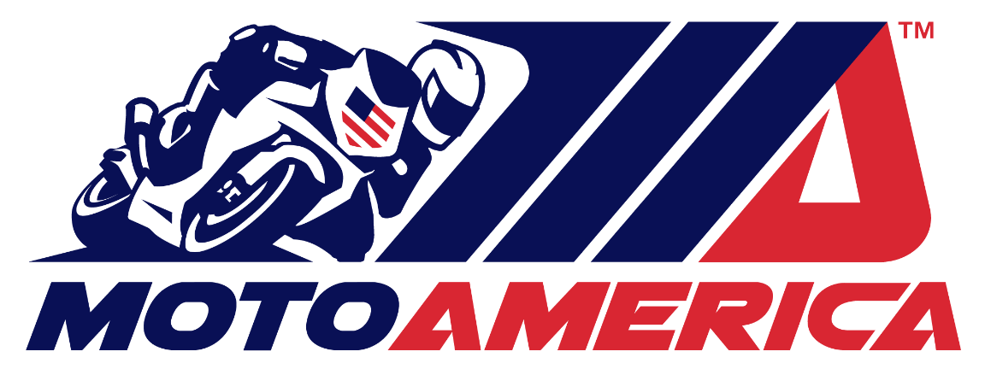
technicaldirector@motoamerica.com

Eligible Parts for Competition
2026

