Superport (inc NG) Brake MC
Contents | Eligible Brake Components for Superbike World Championship - MotoAmerica - List |  |  | 2026 | AND Superstock 1000 (Front only)

 |  |  | The OEM Part fitted to the Homologatd machine is eligible

 | Accossato |  | Contact: Essex Moto Parts sales@essexmotoparts.com
 | Hydraulics | Part | Description |  | Note | Variations | Price
 |  | CY0## | Accossato brake master cylinder all CY0 Series | Front MC |  |  | € 331.00
 |  | CL0## | Accossato brake master cylinder all CL Series | Front MC | Black in color |  | € 331.00
 |  | MP001 | Rear Brake Master Cylinder, with 10,5 mm piston |  |  |  | € 382.69
 |  | MP003 | Rear Brake Master Cylinder, with 13.5 mm piston |  |  |  | € 420.76
 |  | MP005 | Rear Brake Master Cylinder With Double Connection - piston diameter 13.5 mm |  |  |  | € 443.10
 |  | BP001 | Thumb brake master cylinder - piston diam. 10.5 mm - With short lever |  |  |  | € 415.73
 |  | BP007 | Thumb brake master cylinder - piston diam. 13.5 mm - With short lever |  |  |  | € 457.10

 |  |  |  |  |  |  | € 281.95
 |  |  |  |  |  |  | € 281.95
 | AP Racing |  | Contact: www.apracing.com
 |  | Part | Description | Note | Note | Variations | Price
 | Hydraulics | CP3125-2 | MCYL/R-0.750xALU | Front MC |  |  | $417.00
 |  | CP3756-4 | MCYL-14.00xALU | Rear MC |  |  | $436.00

 | GP Tech |  | gptech@gptech.tech
 |  | Part | Description | Note | Note | Variations | Price
 | Hydraulics | GP_FM_0002 | GP Tech Thumb Brake - Fork Mount | Rear MC | Fork Mount | Made for 50mm and 52mm forks | $425.00
 |  | GP_FM_0002 | GP Tech Thumb Brake - Bar Mount | Rear MC | Bar Mount | Made for Bar Mounting | $375.00

 | Brembo
 |  |  | Contact: Franco Zonnedda |  | email: franco_zonnedda@brembo.it |  | +39 035 605 2288
 | Hydraulic |  | Contact (USA): Nicole Lavash |  | email: nicole@racetechnologies.com
 |  | Part | Description | Type | Note | Variations/Notes | Price
 |  | XR01170 | PR 19 x 16 | Front MC | Not Eligible |  | € 350.00
 |  | XR01171 | PR 19 x 18 | Front MC | Not Eligible |  | € 350.00
 |  | XR01131 | PR 16 x 18 | Front MC | Not Eligible |  | € 350.00
 |  | 110476052 | PR 18 x 18 | Front MC |  |  | € 163.80
 |  | 110476060 | PR 19x20 Standard Lever, Radial, Front | Front MC | USA name MKIIGP | Radial Forged
 |  | 110476070 | PR 19 x 18 long lever, Radial | Front MC | USA name MKIIGP | Radial Forged | € 220.00
 |  | 110476075 | PR 19 x 18 folding lever, Radial | Front MC | USA name MKIIGP | Radial Forged | € 240.00
 |  | 110476080 | PR 16x18 Standard Lever, Radial, Front | Front MC | USA name MKIIGP | Radial Forged
 |  | 110476082 | PR 16x18 Short Lever, Radial, Front | Front MC | USA name MKIIGP | Radial Forged
 |  | 110476085 | PR 16x18 Long Lever, Radial, Front | Front MC | USA name MKIIGP | Radial Forged | € 311.41
 |  | 110476087 | PR 16x18 Folding short lever | Front MC | USA name MKIIGP | Radial Forged | € 283.08
 |  | 110A26310 | 19 RCS | Front MC |  | Radial Forged | € 295.00
 |  | 110A26340 | 17 RCS | Front MC |  | Radial Forged | € 295.00
 |  | 110C74010 | 19 RCS Corsa Corta | Front MC |  | Radial Forged | € 335.00
 |  | 110C74040 | 17 RCS Corsa Corta | Front MC |  | Radial Forged | € 335.00
 |  | 110A89710 | 19 RCS 1" | Front MC | Super Hooligans 1" bars | Radial Forged | € 299.00

 |  | 110A26350 | 16 RCS | Rear Hand |  | Radial Forged | € 295.00
 |  | 110A26365 | 14 RCS | Rear Hand | ONLY to be used for single rear disc application | Radial Forged | € 236.00

 |  | X963710 | PS 11 | Rear MC |  |  | € 200.00
 |  | X963720 | PS 13 INLET 90° | Rear MC |  |  | € 200.00
 |  | X963730 | PS 13 back INLET | Rear MC |  |  | € 200.00
 | Disc
 |  | Part | Description |  | Notes | Variations | Price
 |  | 208A985xx | 2 discs kit - T-DRIVE | Front Discs |  |  | € 420.38
 |  | 2089737xx | 2 discs kit - bobbin type | Front Discs |  |  | € 350.08
 | Discacciati
 | USA: Moto-D racing |  | Contact: Laura |  | Email : info@discacciatidbs.com
 | Hydraulics |  | Contact USA: Scott |  | Email : info@motodracing.com
 |  | Part | Description |  | Note | Variations | Price
 |  | FDR008 | Front Master Cylinder | Front MC | 16mm | Colour and Handlebar diameter | € 237.70
 |  | FDR009 | Front Master Cylinder | Front MC | 19mm | Colour and Handlebar diameter | € 237.70

 |  | FDR0002PN | THUMB PUMP Ø13 BLACK LEVER / THUMB BRAKE Ø13, BLACK LEVER | Rear Thumb MC | 13mm |  | € 286.00
 |  | FDR0002P16S | THUMB PUMP Ø16 SILVER LEVER / THUMB BRAKE Ø16 | Rear Thumb MC | 16mm |  | € 313.00

 |  | FDR0011P | REAR RACING PUMP FOR THUMB AND FOREFINGER MASTERCYLINDER | Rear MC |  |  | € 204.00

 |  | FDR0002IN | FOREFINGER BRAKE Ø13 | Rear Hand | 13mm |  | € 286.00
 |  | FDR0002I16N | FOREFINGER BRAKE Ø16 | Rear Hand | 16mm |  | € 313.00
 | Galespeed
 | Hydraulics |  | Contact: Local Dealer
 |  | Part | Description |  | Note | Variations | Price
 |  |  | Brake Master Cylinder (VRE) |  | Variable Racing Elaborate, Exceeds Price - NOT ELIGIBLE
 |  |  | Brake Master Cylinder (RE) |  | Racing Elaborate, Exceeds Price - NOT ELIGIBLE

 |  | VRC16A-**** | Brake Master Cylinder (VRC) | Front MC | Variable Ratio Control | Short/Regular Lever, 18-16 Ratio, Clutch Side available | € 315.00
 |  | VRC17A-**** | Brake Master Cylinder (VRC) | Front MC | Variable Ratio Control | Short/Regular Lever, 18-16 Ratio, Clutch Side available | € 315.00
 |  | VRC19A-**** | Brake Master Cylinder (VRC) | Front MC | Variable Ratio Control | Short/Regular Lever, 18-16 or 20-18 Ratio, Clutch Side available | € 315.00

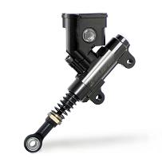
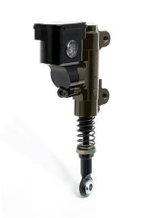
 |  | RM16A-**** | Brake Master Cylinder (RM) | Front MC | Racing Master | Short/Regular Lever, 17 Ratio, Clutch Side available | € 275.00
 |  | RM17A-**** | Brake Master Cylinder (RM) | Front MC | Racing Master | Short/Regular Lever, 17 Ratio, Clutch Side available | € 275.00
 |  | RM19A-**** | Brake Master Cylinder (RM) | Front MC | Racing Master | Short/Regular Lever, 17 or 19 Ratio, Clutch Side available | € 275.00

 |  | RMC12-640B/BR | Rear Master Cylinder (RMC) 12mm | Rear Foot | 40-49mm | Options include rmeote resevoir or billet attached, not reqd | € 147.00
 |  | RMC12-645B/BR | Rear Master Cylinder (RMC) 12mm | Rear Foot | 45mm |  | € 147.00
 |  | RMC12-649B/BR | Rear Master Cylinder (RMC) 12mm | Rear Foot | 49mm 4mm OFFSET |  | € 147.00

 |  | RMC12-840B/BR | Rear Master Cylinder (RMC) 12mm | Rear Foot | 40-49mm |  | € 147.00
 |  | RMC12-845B/BR | Rear Master Cylinder (RMC) 12mm | Rear Foot | 45mm |  | € 147.00
 |  | RMC12-849B/BR | Rear Master Cylinder (RMC) 12mm | Rear Foot | 49mm 4mm OFFSET |  | € 147.00

 |  | 29000189 | THUMB BRAKE HOSE ADAPTER | Thumb Rear |  |  | € 16.00
 |  | 29000188 | THUMB BRAKE FORK CLAMP φ50 | Thumb Rear |  |  | € 50.00
 |  | GSTH12-17B | THUMB BRAKE BODY φ12 | Thumb Rear |  |  | € 370.00
 |  |  |  |  |  | Total In limit…. | € 436.00

 | HEL Performance
 | Hydraulics |  | Contact: Simon Lane |  | Email : simon.lane@helperformance.com
 |  | Part | Description |  | Note | Variations | Price
 |  | HMC-19MM-** | Front Master Cylinder 19mm (20/19/18 Multi Ratio) | Front | 22mm Bar Clamp | (**) Black, Hard Grey Anodised or Cerakote | € 244.00
 |  | HMC-16MM-** | Front Master Cylinder 16mm (17/16/15 Multi Ratio) | Front | 22mm Bar Clamp | (**) Black, Hard Grey Anodised or Cerakote | € 244.00

 |  | HFB-10MM-** | Front Pull Brake 10mm (For Rear Brake) | Rear Hand | 22mm Bar Clamp | (**) Black, Hard Grey Anodised or Cerakote | € 388.00
 |  | HFB-11MM-** | Front Pull Brake 11mm (For Rear Brake) | Rear Hand | 22mm Bar Clamp | (**) Black, Hard Grey Anodised or Cerakote | € 388.00
 |  | HFB-13MM-** | Front Pull Brake 13mm (For Rear Brake) | Rear Hand | 22mm Bar Clamp | (**) Black, Hard Grey Anodised or Cerakote | € 388.00

 |  | HTB-13MM-** | Front Thumb Brake 13mm (For Rear Brake) | Rear Thumb | Includes Fork Clamp (Size As Requested) | (**) Black, Hard Grey Anodised or Cerakote | € 388.00

 |  | HRMC-** | Rear Master Cylinder | Rear Foot | M10 x 1.00 And Reservoir Take Off (Includes Brake Lines As Required) | (**) Black, Hard Grey Anodised or Cerakote | € 200.00
 |  | HRMC-TWIN-** | Twin Ported Rear Master Cylinder | Rear Foot | M10 x 1.00 And M12 x 1.00 (Includes Brake Lines As Required) | (**) Black, Hard Grey Anodised or Cerakote | € 200.00
 | Hitachi Astemo(Nissin)
 | Hydraulics |  | Contact: Tadahiro Goda | Email: tadahiro.goda.rm@hitachi.net |  |  | +81 268 62 5280
 |  | Part | Description | Note | Variations |  | Price
 |  |  | Front Master Cylinder | Front |  | Release date to be confirmed | In limit
 |  |  |  |  |  |  | In limit
 |  |  | Read Handy Brake Master Cylinder | Rear Hand |  | Release date to be confirmed | In limit
 |  |  |  |  |  |  | In limit
 |  |  | Rear Foot Master Cylinder | Rear Foot |  | Release date to be confirmed | In limit
 | Magura USA
 | Hydraulics |  | Contact: Jacob Chaplin | Email: magura@magurausa.com |  |  | +1 618.395.D1032200
 |  | Part | Description | Note | Variations |  | Price
 |  | 2100453 | Front Master Cylinder, HC1 D12 Radial M/C RH Dot 18mm | Front |  |  | € 329.00

 | Mode Perfromance
 | Hydraulic |  | Contact: Ian Edwards |  | email: ian@modeperformance.co.uk |  | +44 (0) 333 666 0680
 |  | Part | Description | Type | Note | Variations/Notes | Price
 |  | X96.37.20M | 13mm Dual Outlet Billet Master Cylinder | Rear Foot | Bypass type |  | € 200.00
 |  | X96.37.20SF | 13mm Dual Outlet Billet Master Cylinder with Pressure Sensor Outlet M10x1 Front | Rear Foot | Bypass type | Pressure sensor port | € 200.00
 |  | X96.37.20SR | 13mm Dual Outlet Billet Master Cylinder with Pressure Sensor Outlet M10x1 Rear | Rear Foot | Bypass type | Pressure sensor port | € 200.00
...

Engine Covers, Brake Protection
...
Engine Covers
 | Manufacturer | Part | Application | Note | Price
 | All that meet the regulations are approved
 | GB Racing | Various | Various | Plastic, All approved
 | R&G Racing | Various | Various | Plastic, All approved | MotoAmerica Only
 | Ducati Corse | Direct In caliper version of above | 1199 Panigale | Metal, undersize, protection adequate
 | Puig (hex.wear indicator) | Various | Various | Provisional for 2023 season
 | Yoshimura Japan | Complete Set | GSXR1000R/RR | Metal, Clutch cover is undersize
 | Alpha Racing |  | BMWS1000RR | Composite

Approved Acerbis part:
Reinforcement strips
and fibre reinforced material
Not approved Acerbis part:
No reinforcing, material is plain and glossy

Supersport NG Yamaha R9 SS NG
...
Engine Kit - Compulsory - Consists of the following parts
BKN-17411-GY-00 | AXLE, MAIN OPT.1 (16T) | 1 | Not MA legal
BKN-17211-GY-00 | GEAR, 1ST WHEEL OPT.1 (38T) | 1 | Not MA legal
B5U-22110-00-00 | Racing Swingarm Assembly | 1 | Not MA legal

For 2026 and later, only the homologated swingarm BKN-22110-00-00 must be used. Modifications in the chain guide area to enable full adjustment within the OEM swingarm, as shown in the attached photos, are permitted. No other modifications are allowed unless explicitly noted.
Modification in the chain guide area to enable full adjustment within the OEM swing arm, as shown in the attached photos may be made, no other modifactions alloewed unless noted.
See attched photo:
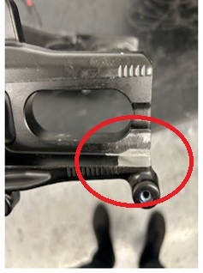
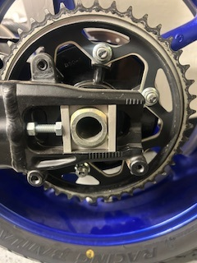

Supersport NG Yamaha R6 SSP NG
...
Cam sprockets (2C0121768000 and 2C0121778000):
If considered, teams are allowed to modify the OEM Cam sprockets 2C0121760000 by adding the slot for timing adjust purposes. No other modification is allowed.

Intake insulators (2C0135860000 and 2C0135960000):
The diameter of the two fixing holes of each rubber can be increased to correctly fit them in the cylinder head and align the intake ports.
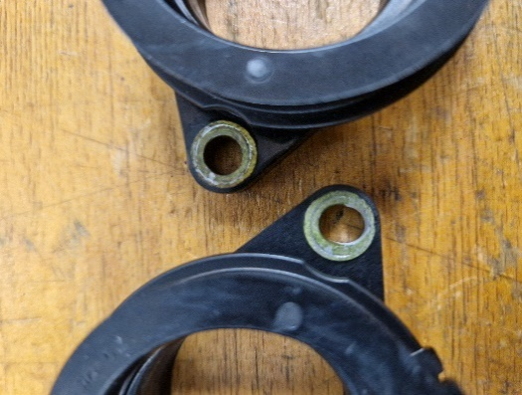
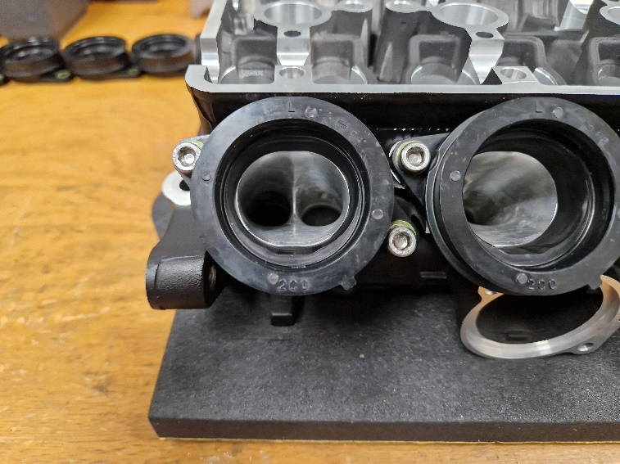

Cylinder head (008E11110000):
Epoxy material can be added (welding is not allowed) just in the first 15 mm under the valve seat of both inlet and exhaust ports to smooth the port-seat transition.
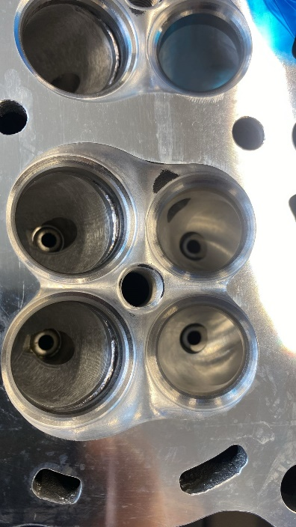
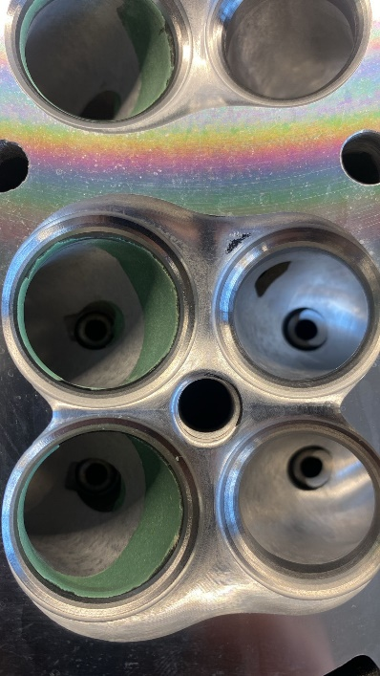

Explosion Supression Systems
...
Note: | This list is not exhaustive - these are examples of recognisd solutions.

 |  | Explosion supression systems for Fuel Tanks
 |  | Explosafe and other commercial names |  | 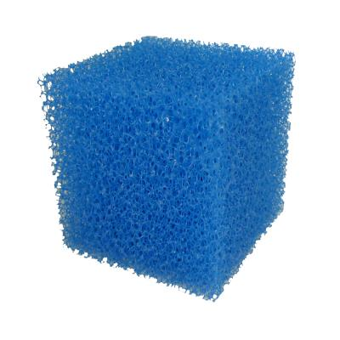

 |  | Explostop | 